Correlation
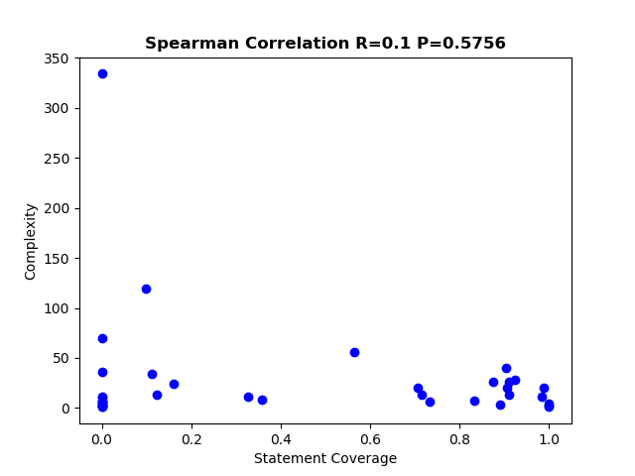
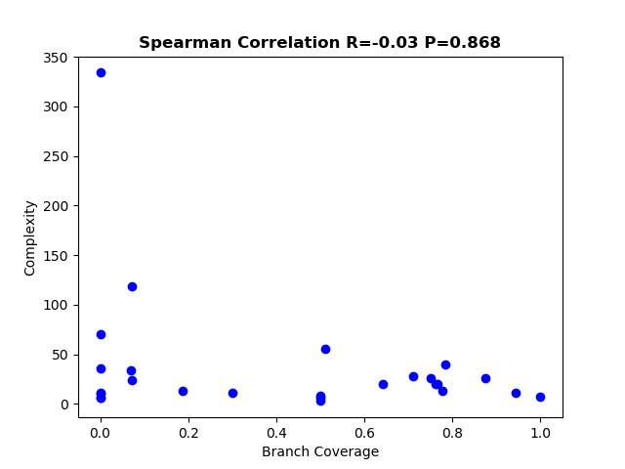
Total statement coverage | 0.214883492
Total Branch coverage | 0.210223182

